F-4
Florida Conference of Seventh-Day Adventists
Evangelism Report of Income & Expense

Pastor's Name |  |  |  | Speaker

Auditorium | Church |  |  | Held at
Tent | From |  |  | To
Church | Baptisms |  |  | POF

Date | Check Payable to | Explanation of Expense Items | Check # | Expenses $$ | Date | Offerings

 | TOTAL EXPENSE & OFFERINGS |  |  | - |  | -
SEE GUIDELINES IN THE INSTRUCTION PAGE
ALL INVOICES OR VOUCHER COPIES,
ALSO CANCELLED CHECKS AND BANK
STATEMENTS SHOULD ACCOMPANY
REPORTS

 |  |  | FUNDING
 |  |  | From Conference
 |  |  | From Church
 |  |  | From Offerings |  | $-
Please acknowledge that the Church has given the |  |  | Total Funds |  | $-
proper forms (W-8 and/or W-9;s) to the appropriate |  |  | Total Expenses |  | $-
parties. You are responsible for their 1099's. |  |  | BALANCE FOR EVANGELISM: |  | $-
 |  |  | If your expenses do not exceed Conference subsidy,
_____________________________________________ |  |  | please remit balance to Conference.
Signature

EVANGELISM REPORT REQUIREMENTS

1. Itemized receipts copies must be turned in with the Evangelism Report. They should include an explanation for the expense.
 | a. Copies of cancelled endorsed checks can only be used as a receipt if the payment is to an individual for a qualified expense. (See below) A signed acknowledgement should be attached from the individual along with an explanation for the payment. (An example of this would be paying someone to prepare 10 meals at $5 each = $50).

2. Per Diem & Mileage -- Per Diem should ONLY be paid when an individual is away from home overnight. A detailed list of mileage should be attached including the date, place traveled, and total miles. If reimbursing for gas instead of mileage, gas receipts must be attached.

3. Entertainment and eating out should be kept to a minimum. Receipts for eating out must include the names of the people eating and the purpose of the meeting. Gift cards given to people would expect the same requirements such as the purpose of the gifts cards and to whom.

4. MUSICIANS, AND SPEAKERS: All wages for services can be paid through the Conference if you so choose to. IF the church decides to pay these categories of people directly, please give t hem the proper forms as described on the first page on the bottom left hand corner. Another form may be necessary for BIBLE WORKERS (contract). Please contact the Evangelism Coordinator for additional information.

UNACCEPTABLE REPORT ITEMS

1. Painting, repairs and maintenance to your church do not qualify as an evangelism expense. These items should be paid from the local church budget.

2. Church electric and utility bills also do not qualify. These items should be paid from the local church budget.

3. Pruchases of equipment such as video players, projectors, and computers, etc. do not qualify.

4. Auto repairs to personal automobiles are a personal expense and do not qualify to be paid from evangelism funds. This includes Bible wowrkers personal automobiles.

5. If your church is currently renting a building, rent for the church building is ONLY acceptable when additional rent is charged if the church is used for additional time to hold the meetings. Then only the additional rent can be reported. The usual rent charge for the church should be paid fromt he local church budget.

F-5
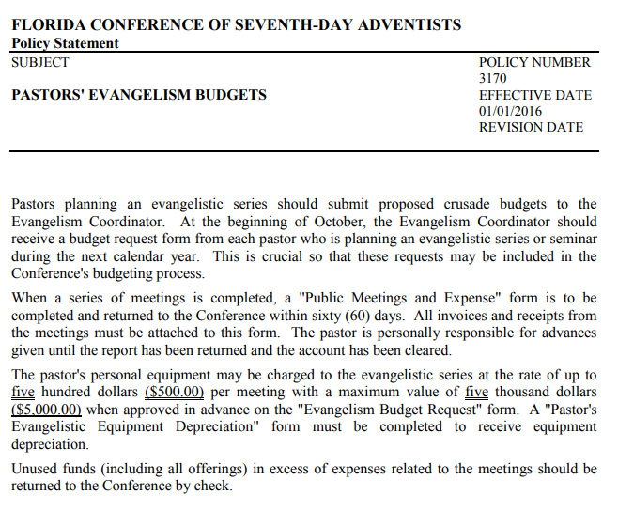

ADDITIONAL EVANGELISM INFORMATION
Pastors are required to work with the treasurer on managing and keeping the receipts. The Senior Pastor is the sole person who determines how the funds are spent. Pastors please work with your treasurer to ensure that the Evangelism Expense Report is done properly and submitted on time. At the end of the year the Evangelism Expense Reports are due with copies of all receipts and/or copies of cashed checks. Evangelism Expense Reports will not be accepted until all of the receipts are received. The local church treasurer will manage the evangelism receipts and turn in the Evangelism Expense Report with all copies to the Pastoral Ministries department.

Important Dates
2021-12-16 | Receipts from 2021 and previous years are due
2022-11-01 | Deadline to request Evangelism funds for 2023
2022-12-16 | Receipts from 2022 and previous year are due

IRS Requirements
If you plan on using evangelism dollars to pay for helpers, any gifts/pay over $600 must be processed with a 1099-NEC through the local treasurer/church.

Cap for Honorariums
There is a cap of $200 for honorariums given to Florida Conference employees for seminar presentations, sermons, etc. Such payments should go through local church payroll. Keep this cap in mind if you choose to express appreciation in a monetary way to those who have heldped you in your meetings.

Locally Funded
If the person is being paid more than once, such as Bible Worker, they should be processed with Human Resources at the Conference office as a locally funded employee and will require a contract and a W9.

Expenses
Our auditors require that a dated invoice or receipt must accompany every expenditure. Since all funds are going through the local church, your treasurer will keep all original receipts and they will be reviewed during the local church audit.

Itemized receipt copies must be turned in with the Evangelism Report. They should include an explanation for the expense.
Streaming Equipment permitted.

For additional questions contact
gizelle.best@floridaconference.com

F-11
BASIC INTERNAL CONTROL CHECKLIST

Segregate or separate the financial duties of custody, authorization, and record keeping. Include at least two unrelated people to reduce the temptation or perception of any wrong-doing.

Place an X under Yes, No, or N/A

Yes | No | N/A | CONTRIBUTIONS
 |  |  | Do two or more unrelated people collect the donations and maintain custody of the collection until it is secured or deposited?
 |  |  | Is more than one person required to access the safe when donations are stored?
 |  |  | Are checks stamped "For Deposit Only" or electronically scanned for deposits as soon as possible?
 |  |  | Do you ensure that a single individual is not involved in all three areas of counting donations, entering in the donor system, and recording in the accounting system?
 |  |  | Is the donor system (when different than Jewel or QuickBooks) consistently reconciled to the accounting system?
 |  |  | Are online giving records consistently agreed to deposited amounts?

Yes | No | N/A | CASH DISBURSEMENTS
 |  |  | Is check stock maintained in a secured location?
 |  |  | Do you ensure that a single individual does not have access to check stock, signing authority, and access to the accounting system?
 |  |  | Is supervisor approval, either before or after the expense, required on all expense reports and corporate credit card charges?
 |  |  | Do check signers review supporting documentation before signing checks?
 |  |  | Are bank reconciliations performed monthly?
 |  |  | Are budget to actual amounts compared and significant fluctuations researched?
 |  |  | Do ministry leaders receive information for their budget areas to review?

Yes | No | N/A | PAYROLL
 |  |  | Are all timesheets approved by the employee and supervisor?
 |  |  | Is payroll approved by someone other than the preparer?
 |  |  | Is the final payroll report reviewed by the approver to verify no changes were made subsequent to approval?
 |  |  | Is the top staff leader's salary annually approved by the board using comparability data?
 |  |  | Is there documentation to support decisions on employee vs. independent contractor status and exempt (salaried) vs. non-exempt hourly determinations? Examples: W9, License, Contract, Liability Ins.
...
The objective is the same: protection for the church treasurer. It establishes the fact that all cash received is finally accounted for in a formal receipt written by the treasurer.

203.05 Other Offerings
The plan outlined in the previous paragraphs should apply in the same way to other offerings taken by various organizations of the church— youth gatherings, prayer meeting, and all other programs. The Church
Manual is quite clear in stating that “the church treasurer is the custodian of all church funds.” None of the auxiliary organizations should feel that they are authorized to retain custody of the funds that their organizations receive from church members or others. In every case, such offerings must be turned over without delay to the church treasurer to be receipted and accounted for.

203.06 Offerings for Outside Groups
Occasionally a program is put on in the local church by an invited outside group with the advance agreement that all or a part of the offering taken will be handed over to that group. Such offerings should be handled just as other church offerings: the church treasurer should record the total amount of the offering after observing the safeguards of “dual custody” discussed in previous paragraphs. The church treasurer should then write a check to the treasurer or designated person of the outside group for the portion of the offering to which the group is entitled. In no case should the actual cash offering be split up with a portion handed directly to the group with no accounting record being made.

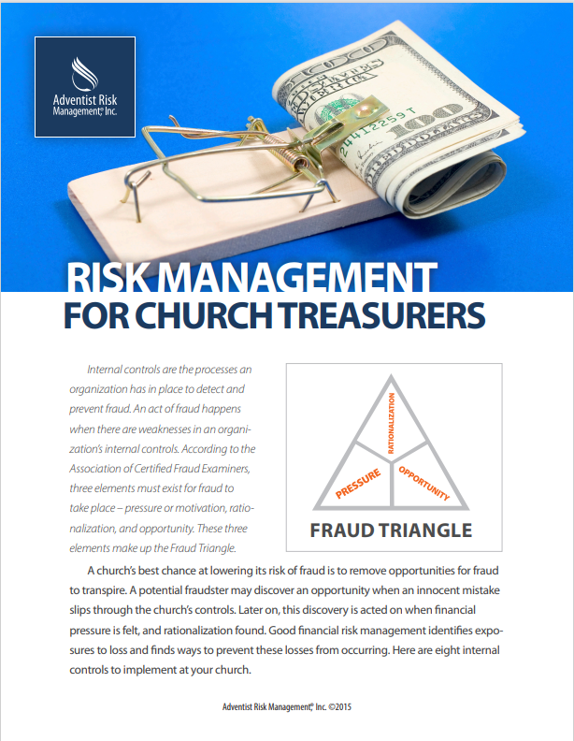

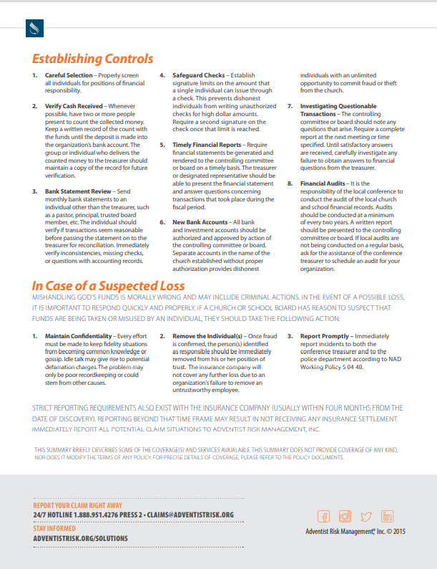

C-2
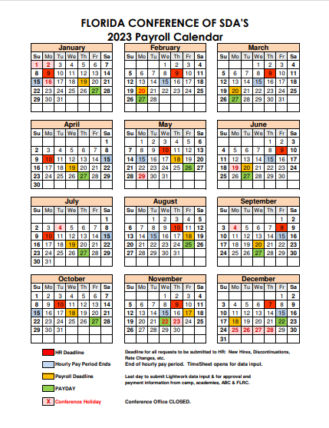

R-1
A TRAINING RESOURCES SUMMARY

Jewel has multiple ways to help treasurers get acquainted with the program.

JEWEL HELP MENU
Go to Help on the top menu. There you will see the following categories. Click on any one of them to access Jewel help.
 | Contents
 | Index
 | Treasurer's Handbook
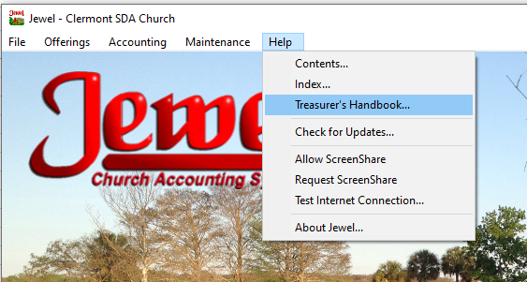

SCREEN SHARE
Your auditor can also offer her help by phone, email, or the use of "screen share" when needed.
Call your auditor if you need some help. Then on Jewel go to Help / Request Screen Share.
Ask your auditor to Allow the screen share.

JEWEL VIDEOS
Georgia-Cumberland Conference
...

R-10
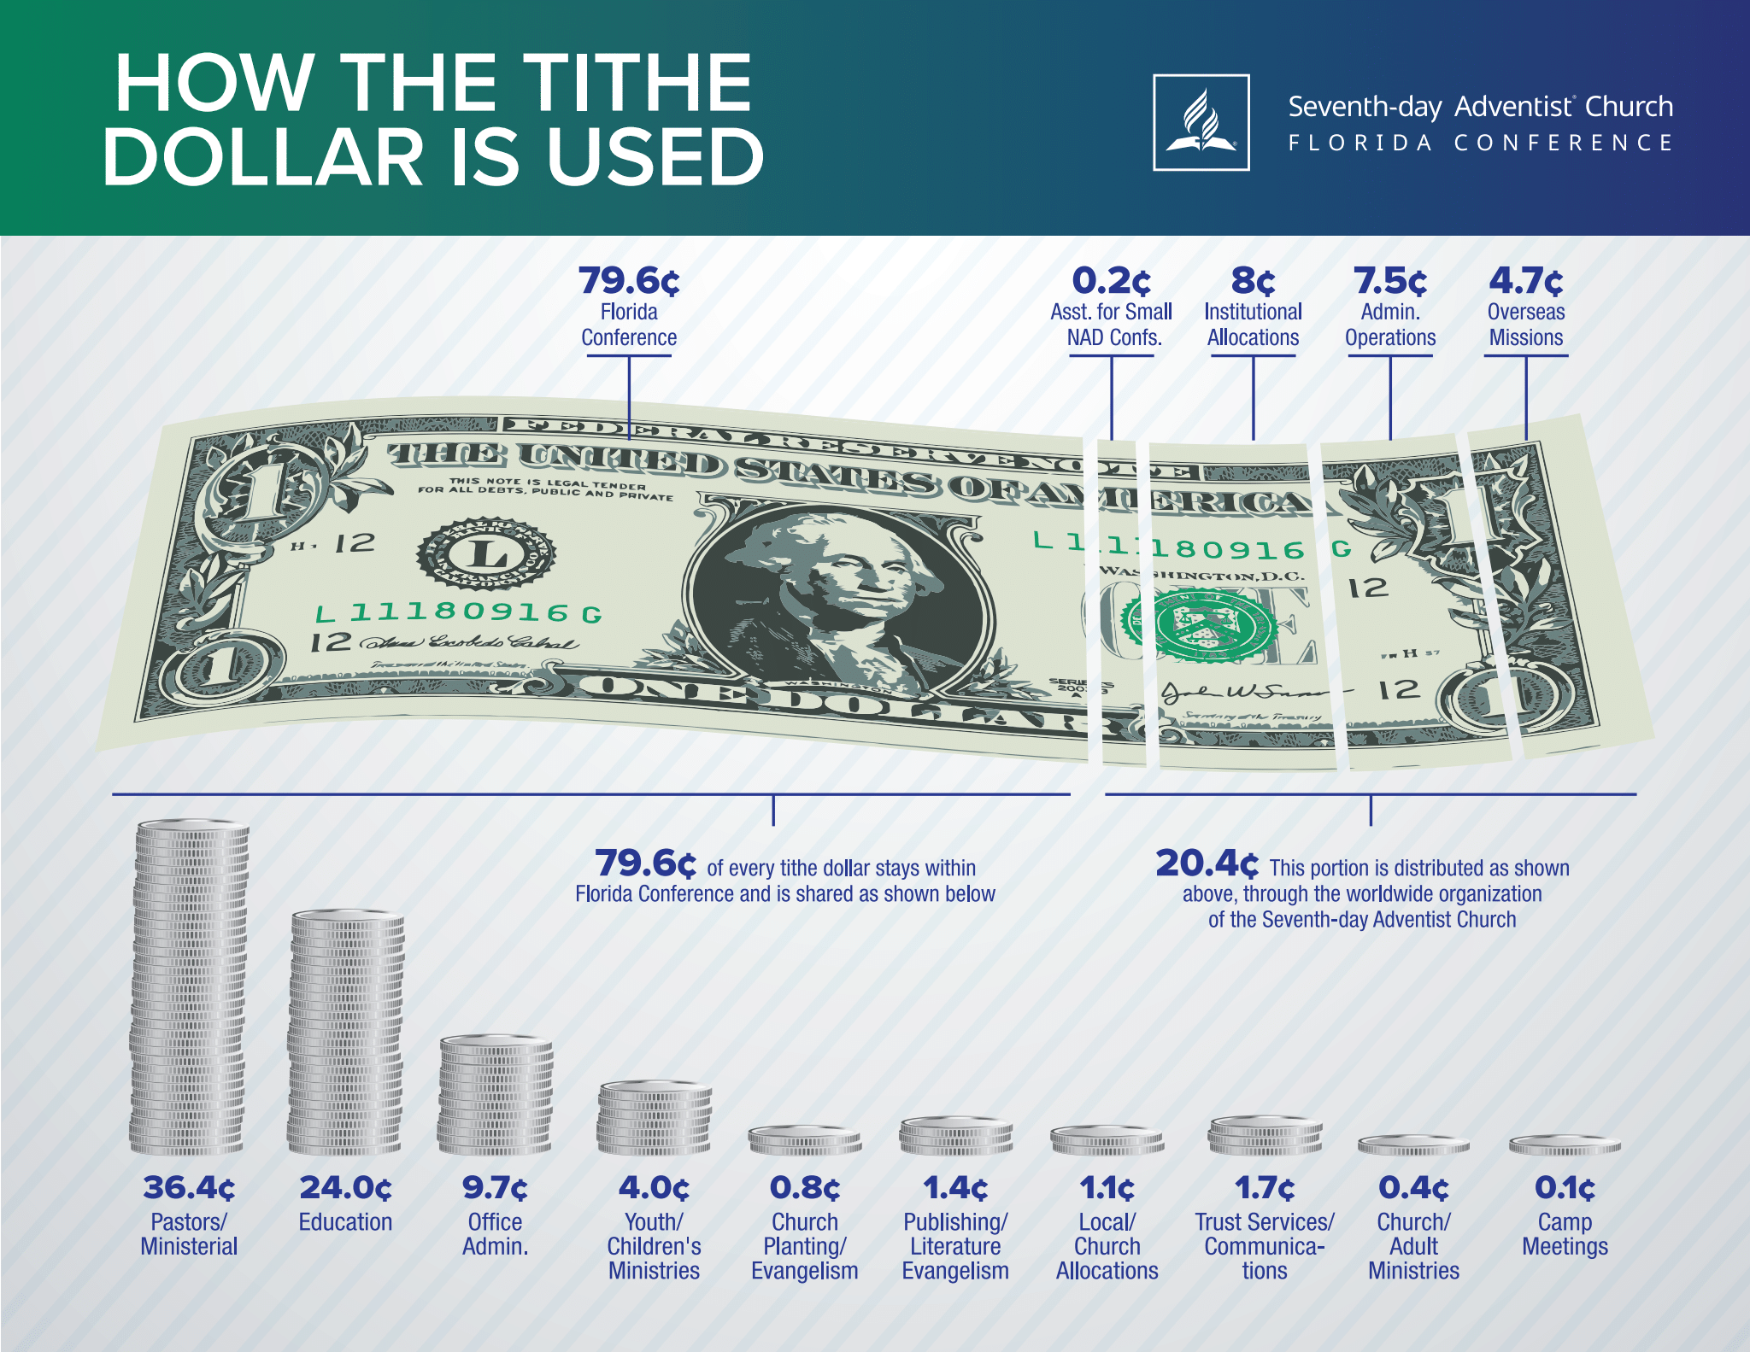

R-12
TUITION DONATIONS TO CHURCHES

Many churches have a tuition fund to support the local elementary or high SDA schools. These donations are deductible to the donor as long as they are donated to the general tuition fund. Funds donated for specific student are not deductible to the donor, thus it is encouraged for such donors to give the funds directly to the school for the specific student.

If the church accepts funds for an individual students, the church must create a Non-Deductible account in Jewel for that student. To create a non-deductible account, just de-select tax deductible. (Maintenance / Edit Accounts).

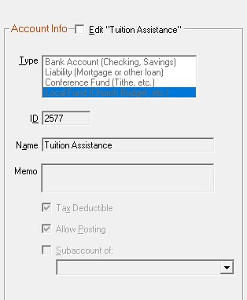

From IRS Publication 526 (2017) Charitable Contributions
Contributions You Can't Deduct
Tuition, or amounts you pay instead of tuition. You can't deduct as a charitable contribution amounts you pay as tuition even if you pay them for children to attend parochial schools or qualifying nonprofit daycare centers. You also can't deduct any fixed amount you must pay in addition to, or instead of, tuition to enroll in a private school, even if it is designated as a "donation."

R-13
...
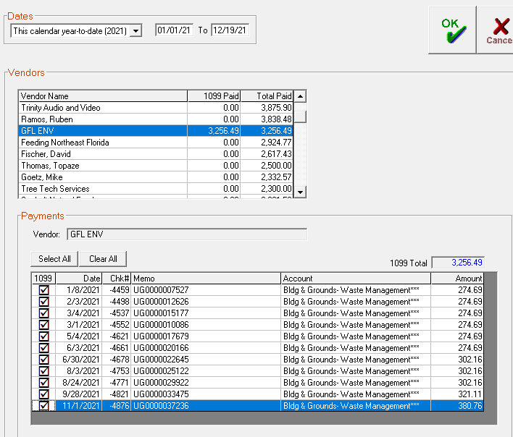

The report will look like this. It will include the vendor(s) and the total paid for services.

JEWEL COMPLETED REPORT
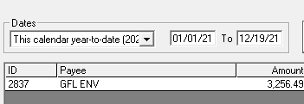

R-14
...
To Identify Restricted Funds in Jewel
1. Go to Reports & Graphs / Financial Summary
2. Change the period to "All" and select "Detail"
3. Copy and paste
4. Identify the Accounts that are restricted
5. Create an extra column for Trust $ - Enter the formula of Begin. Bal + Deposits - Checks
6. Carry the formula down the column
7. For the Budget column enter Ending Balance - Trust $

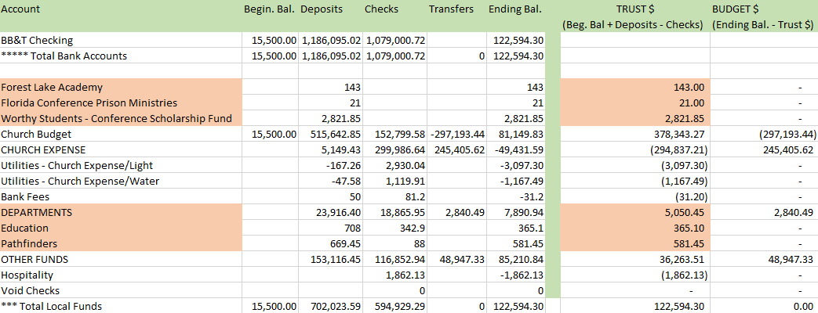

NOTES:
Only selected accounts are trust fu nds
Only positive balances are trust funds (negative balances mean funds were used)
If the trust fund is smaller than the Ending balance, the difference is church budget, but only when the difference is positive

TEAM
...
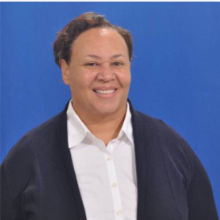
ELISA RAHMING
Florida Conference Treasurer | BERNADETTE CARBONELL | LAVERNE TAVAREZ
elisa.rahming@floridaconference.com | Assistant Treasurer | Church & School Internal Auditor - South Area
407-644-5000 ext. 2201 | bernadette.carbonell@floridaconference.com | laverne.tavarez@floridaconference.com
 | 407-644-5000 ext. 2214 | 954-588-8669

 | Accounts Receivable & other tasks

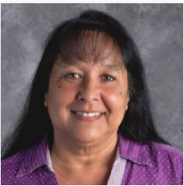
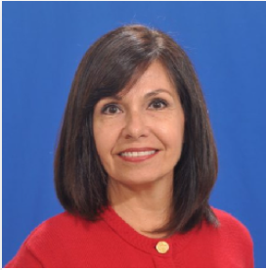
KAREN HANKE
Under Treasurer |  | JANET VARGAS
karen.hanke@floridaconference.com | NILDA RAPERT | Accountant
407-644-5000 | Senior Accountant | janet.vargas@floridaconference.com
 | nilda.rapert@floridaconference.com | 407-644-5000 ext. 2212
 | 407-644-5000 ext. 2222

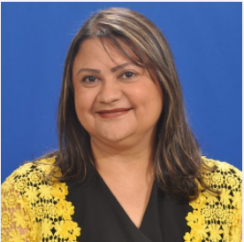
VICKIE MONDAY | SILVIE BORGES
Associate Treasurer | Accountant
vickie.Monday@floridaconference.com | silvie.borges@floridaconference.com
407-644-5000 ext. 2211 | 407-644-5000 ext. 2213

 | Deposits, Payments

ANDREW ELLIOTT | NANCY ENRIQUEZ
Associate Treasurer | Church & School Internal Auditor - Central & NE area
andrew.elliott@floridaconference.com | nancy.enriquez@floridaconference.com
407-644-5000 ext. 2242 | 407-754-5184

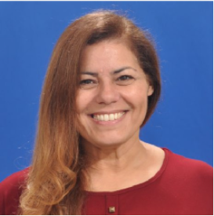
NANCY ROJAS | YOLANDA ACEVEDO - West
Executive Operations Coordinator | Church & School Internal Auditor
nancy.rojas@floridaconference.com | yolanda.acevedo@floridaconference.com
407-644-5000 ext. 2201 | 813-716-0653

